PASTE
TRANSPOSE
Numbers | 1 | 2 | 3 | 4 | 5 | 6 | 7 | 8 | 9 | 10
Actors | Vijay | Ajith | Vikram | Siva karthikiyan | Dhanush | Suriya | Kamal | Rajini | Atharva | Vishal
Total no of movies | 68 | 62 | 42 | 22 | 51 | 42 | 234 | 171 | 20 | 47

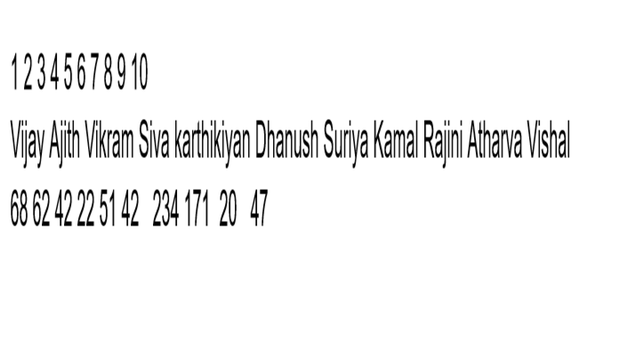
paste as value |  |  |  |  | paste as formula |  |  |  |  |  | paste as formating | paste as pitcure | paste as link
Player | Names | Specilization |  |  |  | 1 | Vijay | 68 |  |  |  |  | 1 | Vijay | 68
1 | Vijay | 68 |  |  |  | 2 | Ajith | 62 |  |  |  |  | 2 | Ajith | 62
2 | Ajith | 62 |  |  |  | 3 | Vikram | 42 |  |  |  |  | 3 | Vikram | 42
3 | Vikram | 42 |  |  |  | 4 | Siva karthikiyan | 22 |  |  |  |  | 4 | Siva karthikiyan | 22
4 | Siva karthikiyan | 22 |  |  |  | 5 | Dhanush | 51 |  |  |  |  | 5 | Dhanush | 51
5 | Dhanush | 51 |  |  |  | 6 | Suriya | 42 |  |  |  |  | 6 | Suriya | 42
6 | Suriya | 42 |  |  |  | 7 | Kamal | 234 |  |  |  |  | 7 | Kamal | 234
7 | Kamal | 234 |  |  |  | 8 | Rajini | 171 |  |  |  |  | 8 | Rajini | 171
8 | Rajini | 171 |  |  |  | 9 | Atharva | 20 |  |  |  |  | 9 | Atharva | 20
9 | Atharva | 20 |  |  |  | 10 | Vishal | 47 |  |  |  |  | 10 | Vishal | 47
10 | Vishal | 47

